About this tool
 | Transition Diet Milk Fever Risk Calculator (vn2.2)

This calculator is intended to assist dairy farmers and advisers to design low milk fever risk pre-calving transition diets.
Click on the image below to view a short instructional video on how to use the calculator.
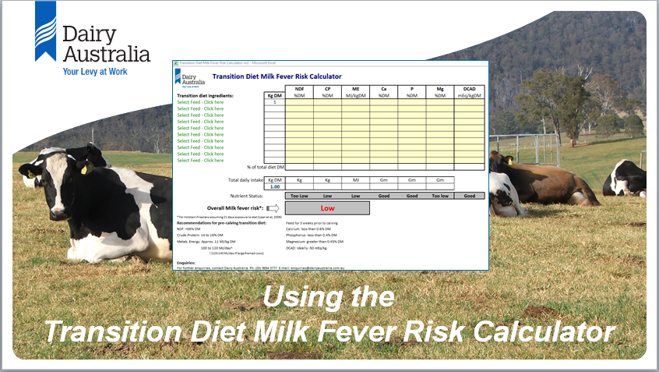

Enquiries:
For further enquiries, contact Dairy Australia Ph: (03) 9694 3777 E-mail: enquiries@dairyaustralia.com.au

Disclaimer:
This tool is published for your information. It is published with due care and attention to accuracy, but Dairy Australia makes no warrant with regard to the accuracy and reliability of the information provided, and accepts no responsibility for loss arising
in any way from or in connection with errors or omissions in any information, advice or use of the information. The tool is a guide only and professional advice should be sought regarding your specific circumstances.

© Copyright Dairy Australia Limited 2017. All rights reserved

Ingredients input sheet
Transition Diet Milk Fever Risk Calculator (vn2.2)

Feed ingredients (particularly forages) vary widely in their nutrient values (including %NDF, %Crude Protein, MJ/kg Metabolisable Energy, %Calcium, %Phosphorus, %Magnesium and DCAD value), depending on source, fertiliser history, season, etc.
When assessing pre-calving transition diets for milk fever risk, nutrient values from feed test results and commercial product labels should therefore be used for each ingredient, rather than relying on 'book values'.
Enter your transition feed ingredients and their nutrient values in the table below. (This will enable you to select these feed ingredients from the drop-down list on the 'Diet input sheet').

 |  |  | Crude | Metab.
 | Transition diet ingredient | NDF | Protein | Energy | Calcium | Phosphorus | Magnesium | DCAD
 |  | %DM | %DM | MJ/kg DM | %DM | %DM | %DM | (mEq/kg DM)

 |  | 0 | 0 | 0 | 0 | 0 | 0 | 0
 | © Copyright Dairy Australia Limited 2017. All rights reserved

Diet input sheet
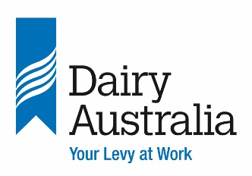 | Transition Diet Milk Fever Risk Calculator (vn2.2)
 |  |  | NDF | CP | ME | Ca | P | Mg | DCAD
 | Transition diet ingredients: | Kg DM | %DM | %DM | MJ/kgDM | %DM | %DM | %DM | mEq/kgDM
 | Select Feed - Click here | 1 | 0.0 | 0.0 | 0.0 | 0.00 | 0.00 | 0.00 | 0
 | Select Feed - Click here | 0 | 0.0 | 0.0 | 0.0 | 0.00 | 0.00 | 0.00 | 0
 | Select Feed - Click here | 0 | 0.0 | 0.0 | 0.0 | 0.00 | 0.00 | 0.00 | 0
 | Select Feed - Click here | 0 | 0.0 | 0.0 | 0.0 | 0.00 | 0.00 | 0.00 | 0
 | Select Feed - Click here |  | 0.0 | 0.0 | 0.0 | 0.00 | 0.00 | 0.00 | 0
 | Select Feed - Click here | 0 | 0.0 | 0.0 | 0.0 | 0.00 | 0.00 | 0.00 | 0
 | Select Feed - Click here | 0 | 0.0 | 0.0 | 0.0 | 0.00 | 0.00 | 0.00 | 0
 | Select Feed - Click here | 0 | 0.0 | 0.0 | 0.0 | 0.00 | 0.00 | 0.00 | 0
 | Select Feed - Click here | 0 | 0.0 | 0.0 | 0.0 | 0.00 | 0.00 | 0.00 | 0
 | Select Feed - Click here | 0 | 0.0 | 0.0 | 0.0 | 0.00 | 0.00 | 0.00 | 0
 | % of total diet DM |  | 0.00 | 0.00 | 0.00 | 0.00 | 0.00 | 0.00 | 0

 |  |  |  |  | Energy density too low |  |  |  | 0.0

 | Total daily intake | Kg DM | Kg | Kg | MJ | Gm | Gm | Gm
 |  | 1.00 | 0.00 | 0.00 | 0 | 0 | 0 | 0

 | Nutrient Status: |  | Too Low | Low | Low | Good | Good | Too low | Good

 | Overall Milk fever risk*: |  | Low

 | * For Holstein-Friesians assuming 21 days exposure to diet (Lean et al, 2006)
 | Recommendations for pre-calving transition diet: |  | Feed for 3 weeks prior to calving
 | NDF: >36% DM |  | Calcium: less than 0.6% DM
 | Crude Protein: 14 to 16% DM |  | Phosphorus: less than 0.4% DM
 | Metab. Energy: approx. 11 MJ/kg DM |  | Magnesium: greater than 0.45% DM
 | 100 to 120 MJ/day^ |  | DCAD: Ideally -50 mEq/kg
 | ^ (120-140 MJ/day if large-framed cows)

 | Enquiries:
 | For further enquiries, contact Dairy Australia Ph: (03) 9694 3777 E-mail: enquiries@dairyaustralia.com.au

 | Disclaimer:
 | This tool is published for your information. It is published with due care and attention to accuracy, but Dairy Australia makes no warrant with regard to the accuracy and reliability of the information provided, and accepts no responsibility for
 | loss arising in any way from or in connection with errors or omissions in any information, advice or use of the information. The tool is a guide only and professional advice should be sought regarding your specific circumstances.

 | © Copyright Dairy Australia Limited 2017. All rights reserved

 |  |  |  |  |  | 0
 |  |  |  |  |  | 0
 |  |  |  |  |  | 0

