Cover
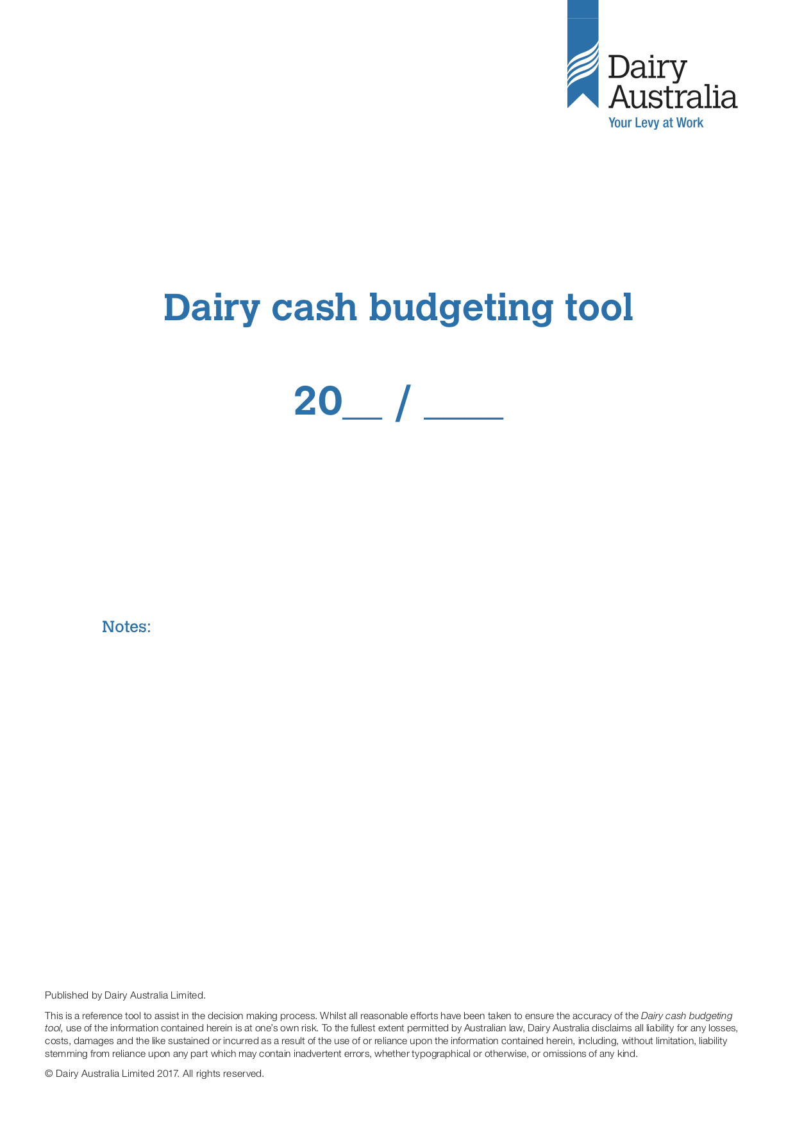

Cashflow

 |  |  | Year
 |  |  | 2017

 |  |  | 2017 | 2017 | 2017 | 2017 | 2017 | 2017 | 2018 | 2018 | 2018 | 2018 | 2018 | 2018 | 2017/18
 |  |  | 2017-07-15 | 2017-08-15 | 2017-09-15 | 2017-10-15 | 2017-11-15 | 2017-12-15 | 2018-01-15 | 2018-02-15 | 2018-03-15 | 2018-04-15 | 2018-05-15 | 2018-06-15 | Annual
 |  |  |  |  |  |  |  |  |  |  |  |  |  |  | Budget
 | #NAME?

 | Milk income (Current year) |  |  |  |  |  |  |  |  |  |  |  |  |  | 0
 | Milk income (Retrospective/Step ups) |  |  |  |  |  |  |  |  |  |  |  |  |  | 0
 | Livestock Sales |  |  |  |  |  |  |  |  |  |  |  |  |  | 0
 | Feed and water sales |  |  |  |  |  |  |  |  |  |  |  |  |  | 0
 | Other farm income |  |  |  |  |  |  |  |  |  |  |  |  |  | 0
 | TOTAL CASH INCOME |  | 0 | 0 | 0 | 0 | 0 | 0 | 0 | 0 | 0 | 0 | 0 | 0 | 0

 | AI and herd test |  |  |  |  |  |  |  |  |  |  |  |  |  | 0
 | Animal health |  |  |  |  |  |  |  |  |  |  |  |  |  | 0
 | Calf rearing |  |  |  |  |  |  |  |  |  |  |  |  |  | 0
 | Other herd costs |  |  |  |  |  |  |  |  |  |  |  |  |  | 0
 | Total herd costs |  | 0 | 0 | 0 | 0 | 0 | 0 | 0 | 0 | 0 | 0 | 0 | 0 | 0
 | Shed power |  |  |  |  |  |  |  |  |  |  |  |  |  | 0
 | Dairy supplies |  |  |  |  |  |  |  |  |  |  |  |  |  | 0
 | Other shed costs |  |  |  |  |  |  |  |  |  |  |  |  |  | 0
 | Total shed costs |  | 0 | 0 | 0 | 0 | 0 | 0 | 0 | 0 | 0 | 0 | 0 | 0 | 0
 | Concentrate 1 |  |  |  |  |  |  |  |  |  |  |  |  |  | 0
 | Concentrate 2 |  |  |  |  |  |  |  |  |  |  |  |  |  | 0
 | Concentrate 3 |  |  |  |  |  |  |  |  |  |  |  |  |  | 0
 | Purchased fodder 1 |  |  |  |  |  |  |  |  |  |  |  |  |  | 0
 | Purchased fodder 2 |  |  |  |  |  |  |  |  |  |  |  |  |  | 0
 | Other puchased feeds |  |  |  |  |  |  |  |  |  |  |  |  |  | 0
 | Agistment |  |  |  |  |  |  |  |  |  |  |  |  |  | 0
 | Other feed costs |  |  |  |  |  |  |  |  |  |  |  |  |  | 0
 | Total purchased feed costs |  | 0 | 0 | 0 | 0 | 0 | 0 | 0 | 0 | 0 | 0 | 0 | 0 | 0
 | Hay and silage making |  |  |  |  |  |  |  |  |  |  |  |  |  | 0
 | PKS Fertiliser |  |  |  |  |  |  |  |  |  |  |  |  |  | 0
 | Nitrogen |  |  |  |  |  |  |  |  |  |  |  |  |  | 0
 | Lime & Gypsum |  |  |  |  |  |  |  |  |  |  |  |  |  | 0
 | Irrigation |  |  |  |  |  |  |  |  |  |  |  |  |  | 0
 | Pasture and cropping |  |  |  |  |  |  |  |  |  |  |  |  |  | 0
 | Fuel and oil |  |  |  |  |  |  |  |  |  |  |  |  |  | 0
 | Total home grown feed costs |  | 0 | 0 | 0 | 0 | 0 | 0 | 0 | 0 | 0 | 0 | 0 | 0 | 0
 | VARIABLE COSTS |  | 0 | 0 | 0 | 0 | 0 | 0 | 0 | 0 | 0 | 0 | 0 | 0 | 0

 | Employed labour costs |  |  |  |  |  |  |  |  |  |  |  |  |  | 0
 | Repairs and maintenance |  |  |  |  |  |  |  |  |  |  |  |  |  | 0
 | Vehicles (Rego and insurance) |  |  |  |  |  |  |  |  |  |  |  |  |  | 0
 | Farm insurance |  |  |  |  |  |  |  |  |  |  |  |  |  | 0
 | Other overheads (Rates/insurance/etc) |  |  |  |  |  |  |  |  |  |  |  |  |  | 0
 | OVERHEAD COSTS |  | 0 | 0 | 0 | 0 | 0 | 0 | 0 | 0 | 0 | 0 | 0 | 0 | 0

 | FARM WORKING EXPENSES (FWE) (Variable plus Cash Overhead Costs) |  | 0 | 0 | 0 | 0 | 0 | 0 | 0 | 0 | 0 | 0 | 0 | 0 | 0

 | FARM OPERATING CASH SURPLUS (Total Cash Income minus Farm Working Expenses) |  | 0 | 0 | 0 | 0 | 0 | 0 | 0 | 0 | 0 | 0 | 0 | 0 | 0

 | Interest loan 1 |  |  |  |  |  |  |  |  |  |  |  |  |  | 0
 | Interest loan 2 |  |  |  |  |  |  |  |  |  |  |  |  |  | 0
 | Interest loan 3 |  |  |  |  |  |  |  |  |  |  |  |  |  | 0
 | Hire purchases |  |  |  |  |  |  |  |  |  |  |  |  |  | 0
 | Leases |  |  |  |  |  |  |  |  |  |  |  |  |  | 0
 | Finance costs |  | 0 | 0 | 0 | 0 | 0 | 0 | 0 | 0 | 0 | 0 | 0 | 0 | 0
 | Principal repayments loan 1 |  |  |  |  |  |  |  |  |  |  |  |  |  | 0
 | Principal repayments loan 2 |  |  |  |  |  |  |  |  |  |  |  |  |  | 0
 | Principal repayments loan 3 |  |  |  |  |  |  |  |  |  |  |  |  |  | 0
 | Livestock purchases |  |  |  |  |  |  |  |  |  |  |  |  |  | 0
 | Other capital purchases |  |  |  |  |  |  |  |  |  |  |  |  |  | 0
 | Capital sales/Farm man.deposits |  |  |  |  |  |  |  |  |  |  |  |  |  | 0
 | Unpaid bills (60+ days) |  |  |  |  |  |  |  |  |  |  |  |  |  | 0
 | Capital Transactions |  | 0 | 0 | 0 | 0 | 0 | 0 | 0 | 0 | 0 | 0 | 0 | 0 | 0

 | NET FARM CASH FLOW |  | 0 | 0 | 0 | 0 | 0 | 0 | 0 | 0 | 0 | 0 | 0 | 0 | 0
 | Non farm income |  |  |  |  |  |  |  |  |  |  |  |  |  | 0
 | Non farm expenses/drawings |  |  |  |  |  |  |  |  |  |  |  |  |  | 0
 | GST (Estimate) |  |  |  |  |  |  |  |  |  |  |  |  |  | 0
 | Tax (PAYG) |  |  |  |  |  |  |  |  |  |  |  |  |  | 0
 | Net Non Farm Income and Tax |  | 0 | 0 | 0 | 0 | 0 | 0 | 0 | 0 | 0 | 0 | 0 | 0 | 0

 | Net monthly cash flow total |  | 0 | 0 | 0 | 0 | 0 | 0 | 0 | 0 | 0 | 0 | 0 | 0 | 0
 |  | Opening Balance |  |  |  |  |  |  |  |  |  |  |  | Closing Balance
 | Cumulative cash flow |  | 0 | 0 | 0 | 0 | 0 | 0 | 0 | 0 | 0 | 0 | 0 | 0 | 0

Published by Dairy Australia Limited. This is a reference tool to assist in the decision making process. Whilst all reasonable efforts have been taken to ensure the accuracy of the Dairy cash management planner, use of the information contained herein is at one’s own risk. To the fullest extent permitted by Australian law, Dairy Australia disclaims all liability for any losses, costs, damages and the like sustained or incurred as a result of the use of or reliance upon the information contained herein, including, without limitation, liability stemming from reliance upon any part which may contain inadvertent errors, whether typographical or otherwise, or omissions of any kind. © Dairy Australia Limited 2016. All rights reserved.

Summary

 |  |  |  |  |  |  |  | Values imported from the DairyBase report file

SUMMARY |  | Milk solids | Cows | % Income | Milking area | Total area |  |  | Milksolids | Cows | % Income | Milking area | Total area
 |  | (kg) |  |  | (ha) | (ha) |  |  | (kg) |  |  | (ha) | (ha)
 |  | 0 | 0 |  |  |  |  |  | 120,475 | 260 |  | 110 | 137

MILK PRODUCTION
Milk production - litres (l) |  |  | 0 |  | 0 | 0 | 1,504,062 |  |  | 5,785 |  | 13,673 | 10,979
Milk production - milk solids (kg) | 0 | 0.00% | 0 |  | 0 | 0 | 120,475 |  | 8.01% | 463 |  | 1,095 | 879
Cows |  |  |  |  |  |  | 260
Butterfat (% m/v) |  |  |  |  |  |  | 4.54%
Protein (% m/v) |  |  |  |  |  |  | 3.47%
Milk payment equivilent ($/kg MS) | 0.00 |  |  |  |  |  | 0.00
Milk payment (cpl) | 0.00 |  |  |  |  |  | 0.00

Milk income (Current year) | 0 | 0.00 | 0 | 0.0% | 0 | 0
Milk income (Retrospective/Step ups) | 0 | 0.00 | 0 | 0.0% | 0 | 0
Livestock sales | 0 | 0.00 | 0 | 0.0% | 0 | 0
Feed and water sales | 0 | 0.00 | 0 | 0.0% | 0 | 0
Other farm income | 0 | 0.00 | 0 | 0.0% | 0 | 0
Total Cash Income | 0 | 0.00 | 0 | 0.0% | 0 | 0
 |  |  |  | 0.0%
AI and herd test | 0 | 0.00 | 0 | 0.0% | 0 | 0
Animal health | 0 | 0.00 | 0 | 0.0% | 0 | 0
Calf rearing | 0 | 0.00 | 0 | 0.0% | 0 | 0
Other herd costs | 0 | 0.00 | 0 | 0.0% | 0 | 0
Total Herd Costs | 0 | 0.00 | 0 | 0.0% | 0 | 0
 |  |  |  | 0.0%
Shed power | 0 | 0.00 | 0 | 0.0% | 0 | 0
Dairy supplies | 0 | 0.00 | 0 | 0.0% | 0 | 0
Other shed costs | 0 | 0.00 | 0 | 0.0% | 0 | 0
Total shed costs | 0 | 0.00 | 0 | 0.0% | 0 | 0
 |  |  |  | 0.0%
Concentrate 1 | 0 | 0.00 | 0 | 0.0% | 0 | 0
Concentrate 2 | 0 | 0.00 | 0 | 0.0% | 0 | 0
Concentrate 3 | 0 | 0.00 | 0 | 0.0% | 0 | 0
Purchased fodder 1 | 0 | 0.00 | 0 | 0.0% | 0 | 0
Purchased fodder 2 | 0 | 0.00 | 0 | 0.0% | 0 | 0
Other puchased feeds | 0 | 0.00 | 0 | 0.0% | 0 | 0
Agistment | 0 | 0.00 |  | 0.0%
Other feed costs | 0 | 0.00 | 0 | 0.0% | 0 | 0
Total Purchased Feed Costs | 0 | 0.00 | 0 | 0.0% | 0 | 0
 |  |  |  | 0.0%
Hay and silage making | 0 | 0.00 | 0 | 0.0% | 0 | 0
PKS fertiliser | 0 | 0.00 | 0 | 0.0% | 0 | 0
Nitrogen | 0 | 0.00 | 0 | 0.0% | 0 | 0
Lime and gypsum | 0 | 0.00 | 0 | 0.0% | 0 | 0
Irrigation | 0 | 0.00 | 0 | 0.0% | 0 | 0
Pasture and cropping | 0 | 0.00 | 0 | 0.0% | 0 | 0
Fuel and oil | 0 | 0.00 | 0 | 0.0% | 0 | 0
Total home grown feed costs | 0 | 0.00 | 0 | 0.0% | 0 | 0
 |  |  |  | 0.0%
VARIABLE COSTS | 0 | 0.00 | 0 | 0.0% | 0 | 0
 |  |  |  | 0.0%
Employed labour costs | 0 | 0.00 | 0 | 0.0% | 0 | 0
Repairs and maintenance | 0 | 0.00 | 0 | 0.0% | 0 | 0
Vehicles (rego and insurance) | 0 | 0.00 | 0 | 0.0% | 0 | 0
Farm insurance | 0 | 0.00 | 0 | 0.0% | 0 | 0
Other overheads (rates/general freight/etc) | 0 | 0.00 | 0 | 0.0% | 0 | 0
OVERHEAD COSTS | 0 | 0.00 | 0 | 0.0% | 0 | 0
 |  |  |  | 0.0%
FARM WORKING EXPENSES (FWE) (Variable plus cash overhead costs) | 0 | 0.00 | 0 | 0.0% | 0 | 0
 |  |  |  | 0.0%
FARM OPERATING CASH SURPLUS (Total cash income minus farm working expenses) | 0 | 0.00 | 0 | 0.0% | 0 | 0
 |  |  |  | 0.0%
Interest (Total) | 0 | 0.00 | 0 | 0.0% | 0 | 0
Hire purchases | 0 | 0.00 | 0 | 0.0% | 0 | 0
Leases | 0 | 0.00 | 0 | 0.0% | 0 | 0
FINANCE COSTS | 0 | 0.00 | 0 | 0.0% | 0 | 0
 |  |  |  | 0.0%
Loan principal repayments (Total) | 0 | 0.00 | 0 | 0.0% | 0 | 0
Livestock purchases | 0 |  |  |  | 0 | 0
Other capital purchases | 0 | 0.00 | 0 | 0.0% | 0 | 0
Capital sales/Capital introduced/FMDs | 0 | 0.00 | 0.00 | 0.00 | 0.00 | 0.00
Unpaid bills | 0 | 0.00 | 0.00 | 0.00 | 0.00 | 0.00
CAPITAL TRANSACTIONS | 0 | 0.00 | 0 | 0.0% | 0 | 0
 |  |  |  | 0.0%
NET FARM CASH FLOW | 0 | 0.00 | 0 | 0.0% | 0 | 0
 |  |  |  | 0.0%
Non farm income | 0 | 0.00 | 0 | 0.0% | 0 | 0
Non farm expenses/drawings | 0 | 0.00 | 0 | 0.0% | 0 | 0
GST (Monthly estimate) | 0 | 0.00 | 0 | 0.0% | 0 | 0
Tax | 0 | 0.00 | 0 | 0.0% | 0 | 0
Net non farm income and tax | 0 | 0.00 | 0 | 0.0% | 0 | 0
 |  |  |  | 0.0%
Net Cash Flow Total | 0 | 0.00 | 0 | 0.0% | 0 | 0

Standard chart of accounts
